Sheet2
 | Cluster' | Appox Value | Notes
Drake London | Welker | 0.042 | Londons 2021 Season profiles as Welker, while his career looks more like Cooper
David Bell | Welker | 0.042
Treylon Burks | Fuller | 0.039
Garrett Wilson | Fuller | 0.039
Chris Olave | Fuller | 0.039
George Pickens | Fuller | 0.039
Jameson Williams | Cooper | 0.021 | Williams Values are hilariously high in every metric except for Targets, which the top Jones and Welker clusters dominate, hence cooper
John Metchie | Cooper | 0.021 | Close Call between Cooper and next Tier of Sanu. Same Shape, but with less reach

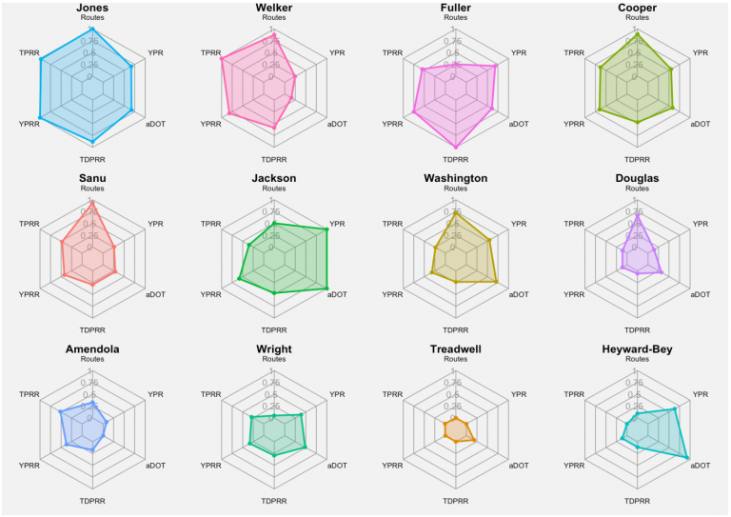

 | 1st | 2nd | 3rd
Rashod Bateman | Jones | Welker | Cooper
Ja'Marr Chase | Cooper | Jones?
Devonta Smith | Welker | Jones?
Jaylen Waddle | Fuller
Terrace Marshall | Fuller? | Jackson
Anthony Schwartz | Amendola?

